Student-Arnett
Entomology Student Timesheet

 |  |  |  |  |  |  |  |  |  | INSTRUCTIONS FOR USING THIS TIMESHEET:
Name: |  |  |  |  | Date: |  |  |  |  | *Record hours worked
Pay Begin Date: |  |  | Pay End Date: |  |  |  |  |  |  | *Use 10th conversion sheet for fraction of hours http://www.ctlr.msu.edu/COPayroll/decimal.aspx
(Sunday) |  |  | (Saturday) |  |  |  |  |  |  | *Do not bank hours to be used in a future week. This is a violation of the Fair Labor Standard Act.
WEEK 1 |  |  |  |  |  |  |  |  | HRS | *Employee and Supervisor Signatures Required
Account No | Sub-Account | SUN | MON | TUE | WED | THU | FRI | SAT |  | *Due Date Schedule below - NOTE early Holiday deadlines in red below
 |  |  |  |  |  |  |  |  |  | *Timesheets are due on the due date listed below by 5:00 PM
 |  |  |  |  |  |  |  |  | 0 | *Late timesheets will be processed the next pay period
 |  |  |  |  |  |  |  |  | 0
 |  |  |  |  |  |  |  |  | 0
 |  | 0 | 0 | 0 | 0 | 0 | 0 | 0 |  | ALLOWABLE HOURS (Add all campus jobs):
 |  |  |  |  |  |  |  |  |  | *Hours exceeding 40/week is paid at time and a half
 |  |  |  |  | Total Hours Wkd Week 1 |  |  |  | 0 | *Hours worked should not exceed the Maximum lised below:
 |  |  |  |  |  |  |  |  |  | *Domestic Students - 29hrs/week (Except breaks/summer)
WEEK 2 |  |  |  |  |  |  |  |  | HRS | *Intl Students - 20hrs/week (Except breaks/summer)
Account No | Sub-Account | SUN | MON | TUE | WED | THU | FRI | SAT

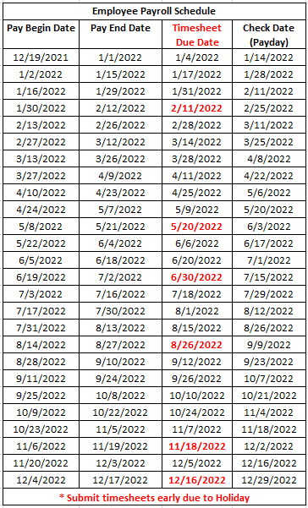
 |  |  |  |  |  |  |  |  | 0 | TIMESHEET SUBMISSION:
 |  |  |  |  |  |  |  |  | 0 | *Electronic ONLY email to: ENT.Timesheets@msu.edu
 |  |  |  |  |  |  |  |  | 0
 |  | 0 | 0 | 0 | 0 | 0 | 0 | 0

 |  |  |  |  | Total Hours Wkd Week 2 |  |  |  | 0

 |  |  |  |  | Total Hours Both Weeks |  |  |  | 0

By signing this form you certify that the hours entered are a true statement of hours worked.
** To use an electronic signature, right click on the "Signature" image below, select
"Change Picture" and upload a new picture/electronic signature from your computer

Employee Signature

Supervior Signature

Delivery Method:
EMAIL ONLY: ENT.Timesheets@msu.edu
Student Employment Contact
Raven Arnett
Located: 243 Natural Science
Phone: 517-884-0732
Email: arnettra@msu.edu

